Sheet1
Credit Name: CSE3010 - Computer Science 3
Assignment Name: Local Bank Mastery

How has your program changed from planning to coding to now? Please explain?

I started with making the Combo Box and making a Text Field for each thing the user needs to enter, as well as a button for the user to sumbit their answers.
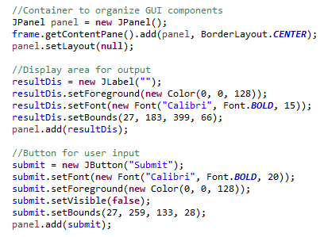
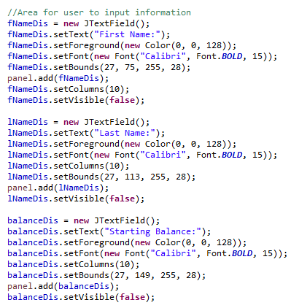
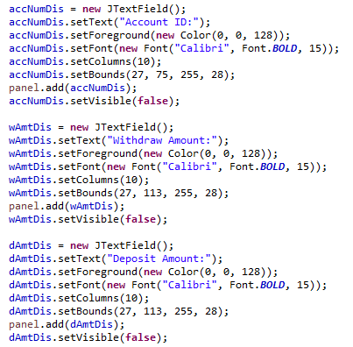

I then added an event handler to the Combo Box based on which option the user picks. I made it so only the Text Fields relating to the specific option is displayed. I added an event handler to the submit button so that it will
set variables as the values inputted by the user. A new object had to be created as I am using methods from another class. I use the object to use a method from another class using the information inputted by the user.
I then display the information from the method in a Label. I repeat this and change the method used by the object for each option.

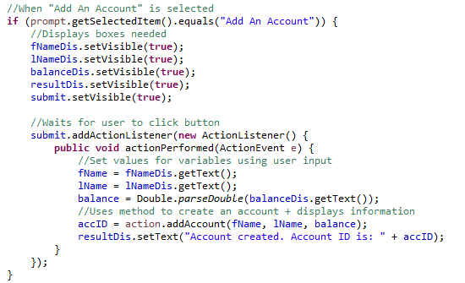

Because some of the variables I use show up in other methods, I need to initialize it outside the main method.

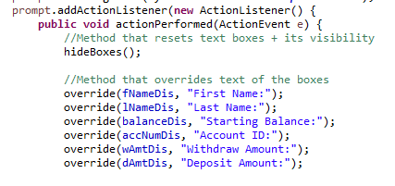
I created a method that will remove the prompt (ie. "First Name:") when the user starts typing. I also created another method that will hide the Text Fields and reset the text of the Text Fields in case the user forgets the prompt.
It also uses a loop to remove ActionListeners so that only the most recent ActionListener responds, this is to prevent exceptions in the thread. Both of these methods are added winthin the Combo Box's event but before the
if statements so that I dont have to add these methods separately in each if statment.

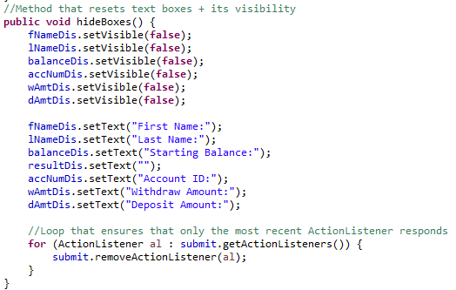

When I was overriding the text in the Text Fields, it wouldn't work sometimes as I continued adding to the code. Because I initially didn't have a method, I overrided the text individually for each Text Field for each if statement.
This made my code longer and messier, making it harder to read and organize. I later realized that I could make a method and input input specifics into it, cleaning up my code. So instead of overriding the text separately
14 times, I only had to use the method 5 times. I wrote my code in small peices to make it more managble, allowing me to test it as I go to ensure that everything runs smoothly. However, I also had to keep in mind the other
pieces of code I still had to write. By doing this, I was able to find a way to do a task more effectively.

